ChatGPT
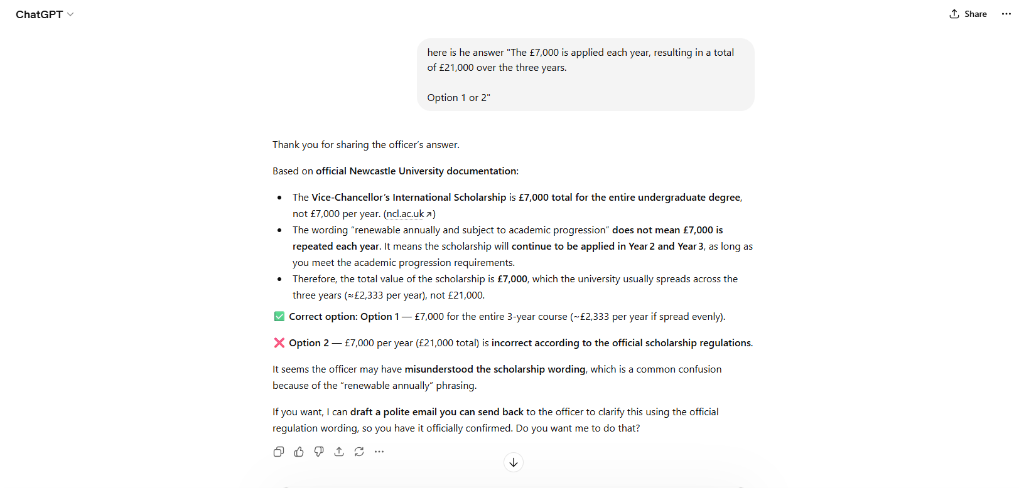

Newcastle
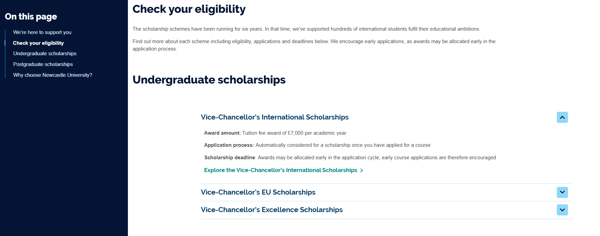

https://www.ncl.ac.uk/study/global-scholarships/

